1-5
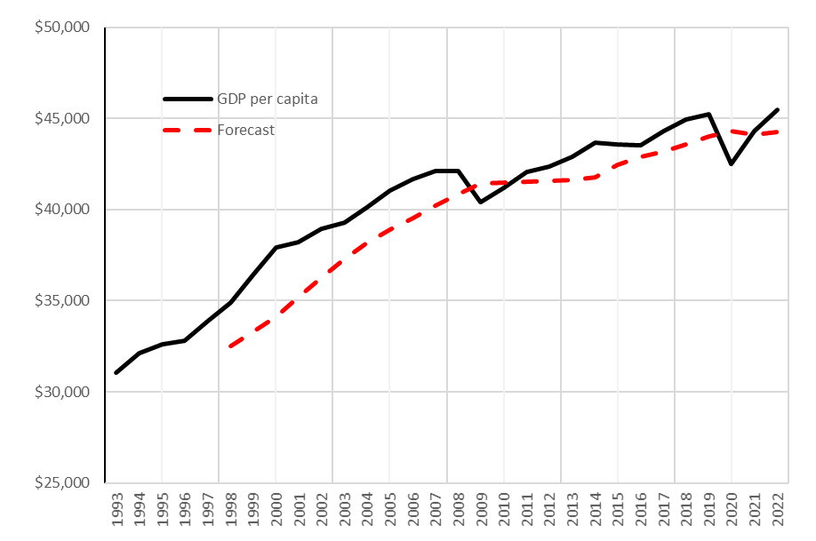
(1 pt.) Which of the following is true about modelling?
We judge the usefulness of a model based on its closeness to reality
There is a tradeoff between the usefulness of a model and its closeness to reality
A more simple model requires more data
A more complex model is always more useful
(1 pt.) Assume that in the Fish model we catch no fish at all (that it, September catch is zero every year). The population growth from April to August reaches its highest value
in the first year
in the last year
when April population is equal to the capacity
when April population is about half of the capacity
(1 pt.) Three forecasting methods have been used to predict the sales of organic avocados in November at a local grocery store. The 95% prediction intervals for each forecasting method are given below. Which forecasting method has had the lowest RMSE?
Method 95% prediction interval
SES [1500, 2500]
DES [2100, 2500]
TES [1600, 2100]
We cannot tell based on the provided information
SES
DES
TES
Answer: The length of 95% prediction interval is equal to 4*RMSE. So the the narrower prediction interval has the lowest RMSE.
4. Which one of the following is true?
BIAS in an input
BIAS is a decision variable
BIAS can be negative
BIAS with value of zero means no forecasting error
5. (1 pt.) The graph above shows Canada’s GDP per capita from 1993 to 2022 and forecasts that were calculated using one of the “simple” time series forecasting methods. Which method was used?
Simple moving average
Triple exponential smoothing
Last point
Average
Answer: The forecast does not start from the second period so it cannot be LP or Average. As the quesiton says it is a simple method so it should have been simople moving average. The forecast curve does not show any seasnality pattern incoporated into the forecast. So this could have not been TES.

